EDA
Data Info
 | Recording | 正式实验3
 | Subject | 区嘉伟
 | Create Time | 2023-11-15 15:24:34.907
 | Data Name | Finger8 EDA
 | Data Type | EDA
 | Sample Rate | 64
 | Segment | 前静息态
 | Start Time | 0:00:43
 | End Time | 0:05:43
 | Duration | 0:05:00

Replay Chart
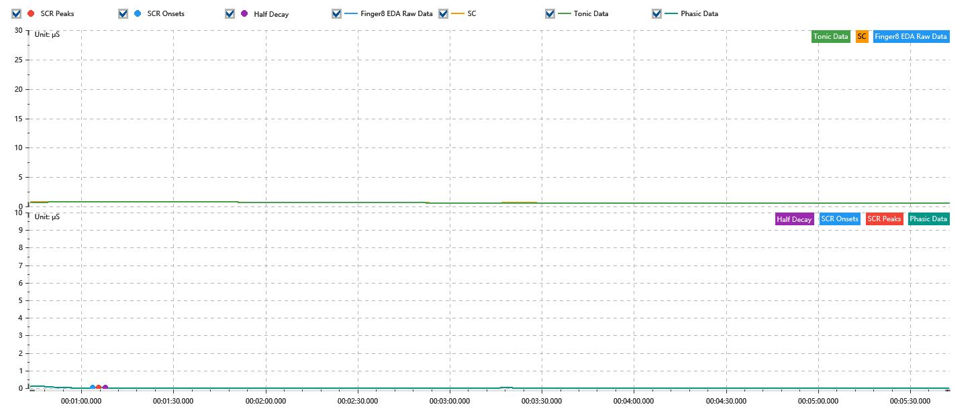

Process parameters
 | Filters
 | Smooth denoise | Enabled | 高斯 | 5(samples)
 | Lowpass filter | Enabled | 5μS
 | Skin Conductance Response
 | SCR extraction | Minimum SCR amplitude | 0.03μS
 | SCR extraction | Max rise time | 4s
 | SCR extraction | Max half decay time | 4s
 | SCR extraction | Peak dection sensitivity | 中
 | Event related activation | Window relative to event | 1s | 4s

Time Domain
 | Data | Mean | Max | Min | Std | Variance | Polar Distance | Data Length
 | SC | 0.66μS | 0.85μS | 0.53μS | 0.09μS | 0.01μS² | 0.32μS | 1200
 | Tonic | 0.65μS | 0.81μS | 0.53μS | 0.09μS | 0.01μS² | 0.29μS | 1200
 | Phasic | 0.01μS | 0.12μS | 0μS | 0.02μS | 0μS² | 0.12μS | 1200

SCR
 | OnsetTime | PeakTime | RiseTime | HalfDecayTime | Amp
 | 0.0007365162037 | 0.00075966435185 | 2s | 2.25s | 0.03μS

Event Related
 | Event Group | Event Name | Event Description | EventTime | SCRCount | Latency | AmpSum | SCL | Half Decay Time Avg. | Rise Decay Time Avg.
 | Custom | 前静息态采集开始 |  | 0.00049923924074 | 0 | 0s | 0μS | 0.7μS | 0s | 0s
 | Custom | 前静息态采集结束 |  | 0.0039713309919 | 0 | 0s | 0μS | 0.53μS | 0s | 0s

